Instructions
NGS Submission Form
Doc No FRM-001029
Rev. No 4.0
Effective Date 01/22/2018

Instructions The Twist submission form provides a standard document with which to submit NGS requests. Not all columns are required.
Quick tips
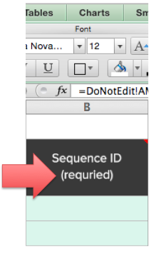 Required columns are noted in the columns header | 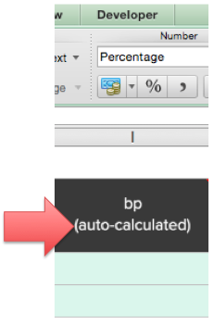 Some columns are auto-calculated output based on your input. These are noted in the column heading. | 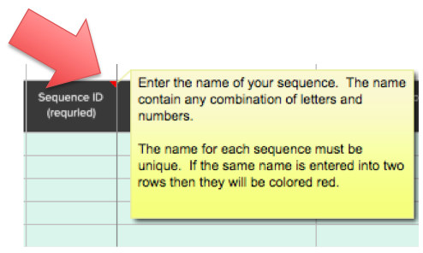 The red triangle indicates the avilability of a hint. Simply roll-over the cell to view the hint (yellow box).
3 Steps to a Completed Form
1. Contact Information Enter your contact information in the Contact Information tab. For quote requests, all contact infromation is required for security check.
2. Enter Oligo Sequences Enter the information for each oligo pool into a separate tab. Within each tab, fill in required information to describe the oligo pool (name, desription, etc) thn enter the oligo sequences in the table, use as many rows as needed. For orders with more than (1) panel, please submit a separate form for each individual panel. |  |  | saved

